FIG 1 - Phase Behavior & IFT
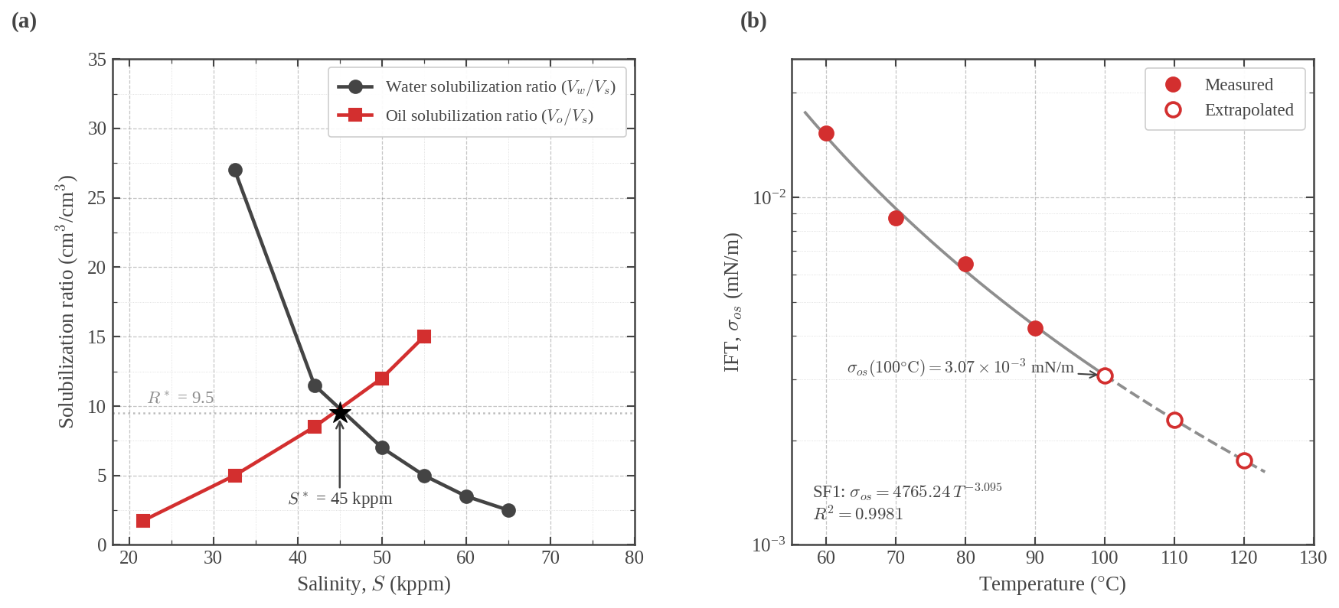
PHASE BEHAVIOR AND IFT (FIG 1)
Panel (a) — SF1 solubilization ratio scan at 100 °C
Salinity (kppm) | Vw/Vs (cm³/cm³) | Vo/Vs (cm³/cm³) | Unit | Source
21.69 |  | 1.8 | kppm | MEASURED
32.53 | 27.0 | 5.0 | kppm | MEASURED
42 | 11.5 | 8.5 | kppm | MEASURED
50 | 7.0 | 12.0 | kppm | MEASURED
55 | 5.0 | 15.0 | kppm | MEASURED
60 | 3.5 |  | kppm | MEASURED
65 | 2.5 |  | kppm | MEASURED

SF1 fluid properties at 100 °C (Table 3)
Parameter | Value | Unit | Source
Optimal salinity, S* | 45,000 | ppm TDS | MEASURED
Solubilization ratio, R* | 9.5 | cm³/cm³ | MEASURED
Chun–Huh IFT, σHuh | 3.32E-03 | mN/m | CALCULATED
Spinning-drop IFT, σos | 3.07E-03 | mN/m | MEASURED
Pendant-drop baseline, σow | 24.3 | mN/m | MEASURED
Aqueous stability limit | 70,000 | ppm TDS | MEASURED
Aqueous slug viscosity, μ | 0.40 | cP | MEASURED
Microemulsion type | Winsor III | — | —

Formulation
Formulation | Composition
SF1 | Sodium Guerbet alkoxy carboxylate (C24–35PO–30EO–COONa, 0.5 wt.%) + IOS 15–18 and IOS 20–24 + 0.5 wt.% ethoxylated phenol co-solvent

Panel (b) — spinning-drop IFT vs temperature
Temperature (°C) | IFT (mN/m) | Unit | Source
60 | 1.53E-02 | mN/m | MEASURED
70 | 8.73E-03 | mN/m | MEASURED
80 | 6.44E-03 | mN/m | MEASURED
90 | 4.21E-03 | mN/m | MEASURED
100 | 3.07E-03 | mN/m | EXTRAPOLATED
110 | 2.29E-03 | mN/m | EXTRAPOLATED
120 | 1.75E-03 | mN/m | EXTRAPOLATED

Power-law fit: σos = a · Tb
Parameter | Value | Unit | Source
a | 4765.2000 | — | FITTED
b | -3.0950 | — | FITTED
R² | 0.9981 | — | FITTED

Figure 1

FIG 2 - So vs Nt
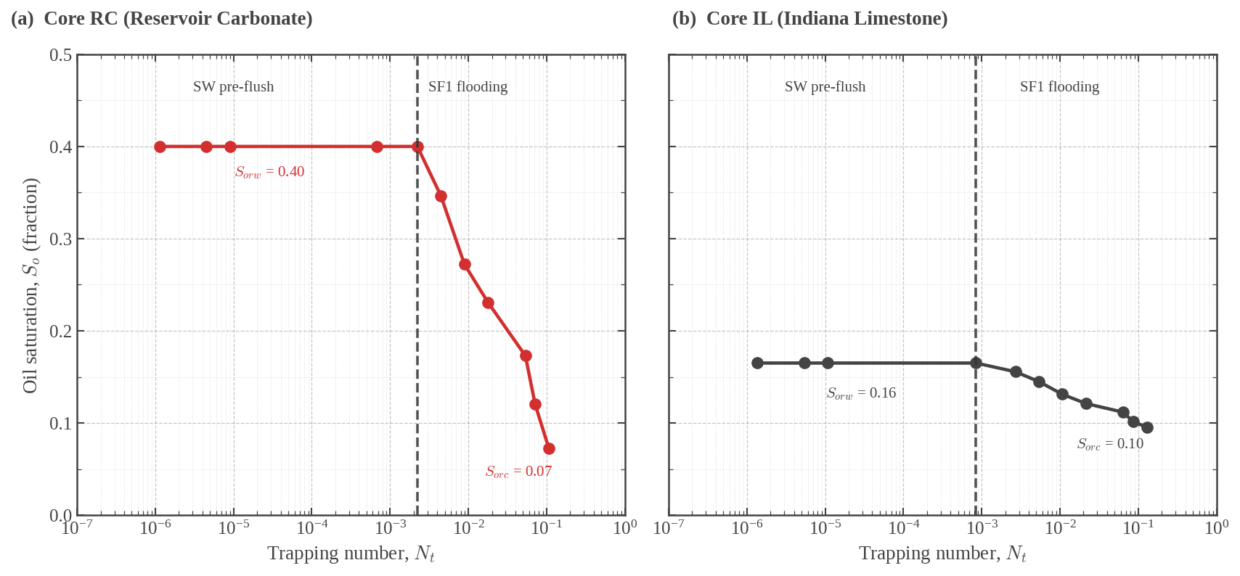
So vs TRAPPING NUMBER (FIG 2)
Panel (a) — Core RC
Nt | So/Sorw | So (frac.) | Unit | Source
1.13E-06 | 1.0000 | 0.4000 | — | MEASURED
4.52E-06 | 1.0000 | 0.4000 | — | MEASURED
9.03E-06 | 1.0000 | 0.4000 | — | MEASURED
6.70E-04 | 1.0000 | 0.4000 | — | MEASURED
2.23E-03 | 1.0000 | 0.4000 | — | MEASURED
4.47E-03 | 0.8658 | 0.3463 | — | MEASURED
8.94E-03 | 0.6800 | 0.2720 | — | MEASURED
1.79E-02 | 0.5767 | 0.2307 | — | MEASURED
5.36E-02 | 0.4323 | 0.1729 | — | MEASURED
7.15E-02 | 0.3003 | 0.1201 | — | MEASURED
1.07E-01 | 0.1805 | 0.0722 | — | MEASURED

Parameter | Value | Unit | Source
Nt,crit (Core RC) | 2.23E-03 | — | MEASURED

Panel (b) — Core IL
Nt | So/Sorw | So (frac.) | Unit | Source
1.36E-06 | 1.0000 | 0.1650 | — | MEASURED
5.42E-06 | 1.0000 | 0.1650 | — | MEASURED
1.08E-05 | 1.0000 | 0.1650 | — | MEASURED
8.47E-04 | 1.0000 | 0.1650 | — | MEASURED
2.69E-03 | 0.9429 | 0.1556 | — | MEASURED
5.37E-03 | 0.8785 | 0.1450 | — | MEASURED
1.07E-02 | 0.7947 | 0.1311 | — | MEASURED
2.15E-02 | 0.7339 | 0.1211 | — | MEASURED
6.44E-02 | 0.6768 | 0.1117 | — | MEASURED
8.58E-02 | 0.6154 | 0.1015 | — | MEASURED
1.29E-01 | 0.5778 | 0.0953 | — | MEASURED

Parameter | Value | Unit | Source
Nt,crit (Core IL) | 8.47E-04 | — | MEASURED

Figure 2

FIG 3 - CDC
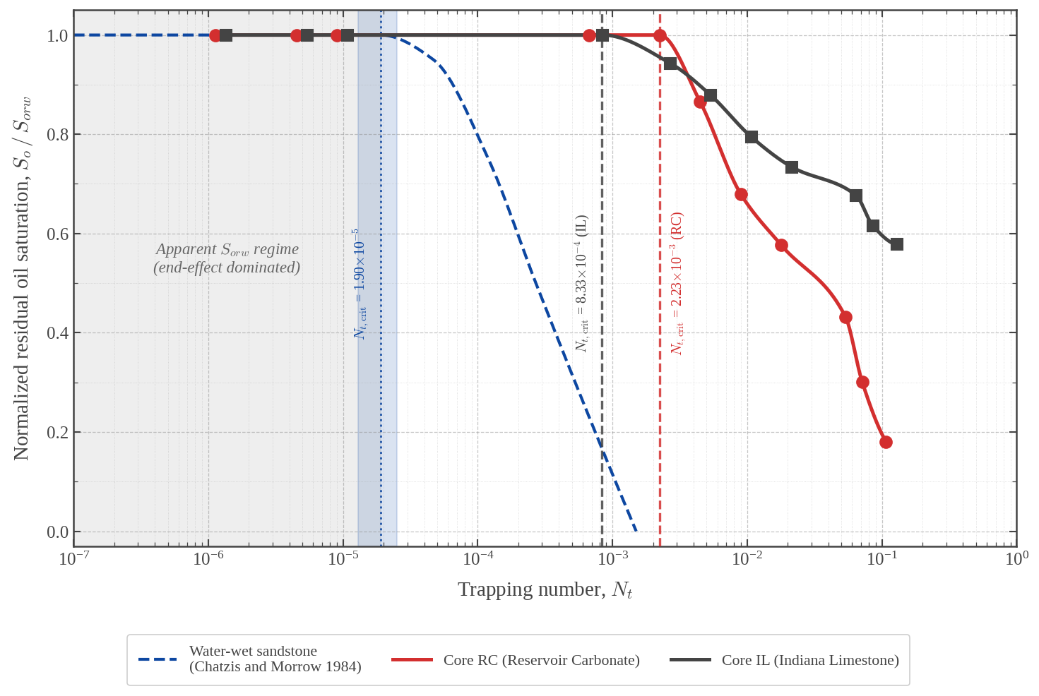
CAPILLARY DESATURATION CURVES (FIG 3)
Core RC
Nt | So/Sorw | Source
1.13E-06 | 1.0000 | MEASURED
4.52E-06 | 1.0000 | MEASURED
9.03E-06 | 1.0000 | MEASURED
6.70E-04 | 1.0000 | MEASURED
2.23E-03 | 1.0000 | MEASURED
4.47E-03 | 0.8658 | MEASURED
8.94E-03 | 0.6800 | MEASURED
1.79E-02 | 0.5767 | MEASURED
5.36E-02 | 0.4323 | MEASURED
7.15E-02 | 0.3003 | MEASURED
1.07E-01 | 0.1805 | MEASURED

Core IL
Nt | So/Sorw | Source
1.36E-06 | 1.0000 | MEASURED
5.42E-06 | 1.0000 | MEASURED
1.08E-05 | 1.0000 | MEASURED
8.47E-04 | 1.0000 | MEASURED
2.69E-03 | 0.9429 | MEASURED
5.37E-03 | 0.8785 | MEASURED
1.07E-02 | 0.7947 | MEASURED
2.15E-02 | 0.7339 | MEASURED
6.44E-02 | 0.6768 | MEASURED
8.58E-02 | 0.6154 | MEASURED
1.29E-01 | 0.5778 | MEASURED

Chatzis and Morrow (1984) water-wet sandstone reference
Nt | So/Sorw | Source
1.00E-07 | 1.00 | LITERATURE
1.00E-06 | 1.00 | LITERATURE
1.00E-05 | 1.00 | LITERATURE
1.90E-05 | 1.00 | LITERATURE
4.70E-05 | 0.95 | LITERATURE
1.20E-04 | 0.75 | LITERATURE
2.70E-04 | 0.50 | LITERATURE
1.50E-03 | 0.00 | LITERATURE

Critical trapping numbers
Curve | Nt,crit | Source
Core RC | 2.23E-03 | MEASURED
Core IL | 8.47E-04 | MEASURED
Water-wet sandstone | 1.90E-05 | LITERATURE

Figure 3

FIG 4- Endpoints
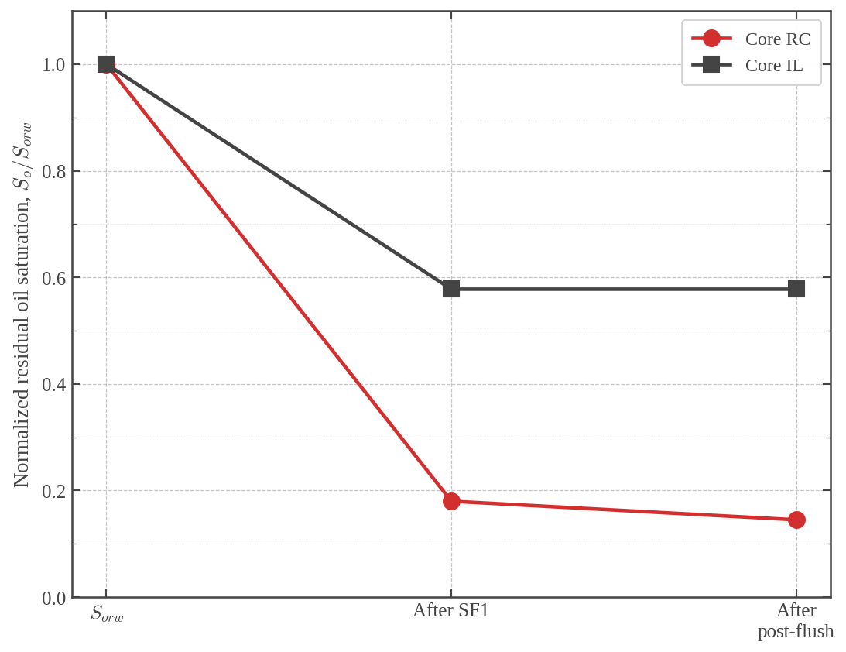
NORMALIZED So/Sorw PER STAGE (FIG 4)
Endpoints
Core | Sorw (norm.) | After SF1 (norm.) | After post-flush (norm.) | Source
Core RC | 1.0000 | 0.1800 | 0.1450 | MEASURED
Core IL | 1.0000 | 0.5778 | 0.5778 | MEASURED

Figure 4

FIG 5 - Velocity Sensitivity
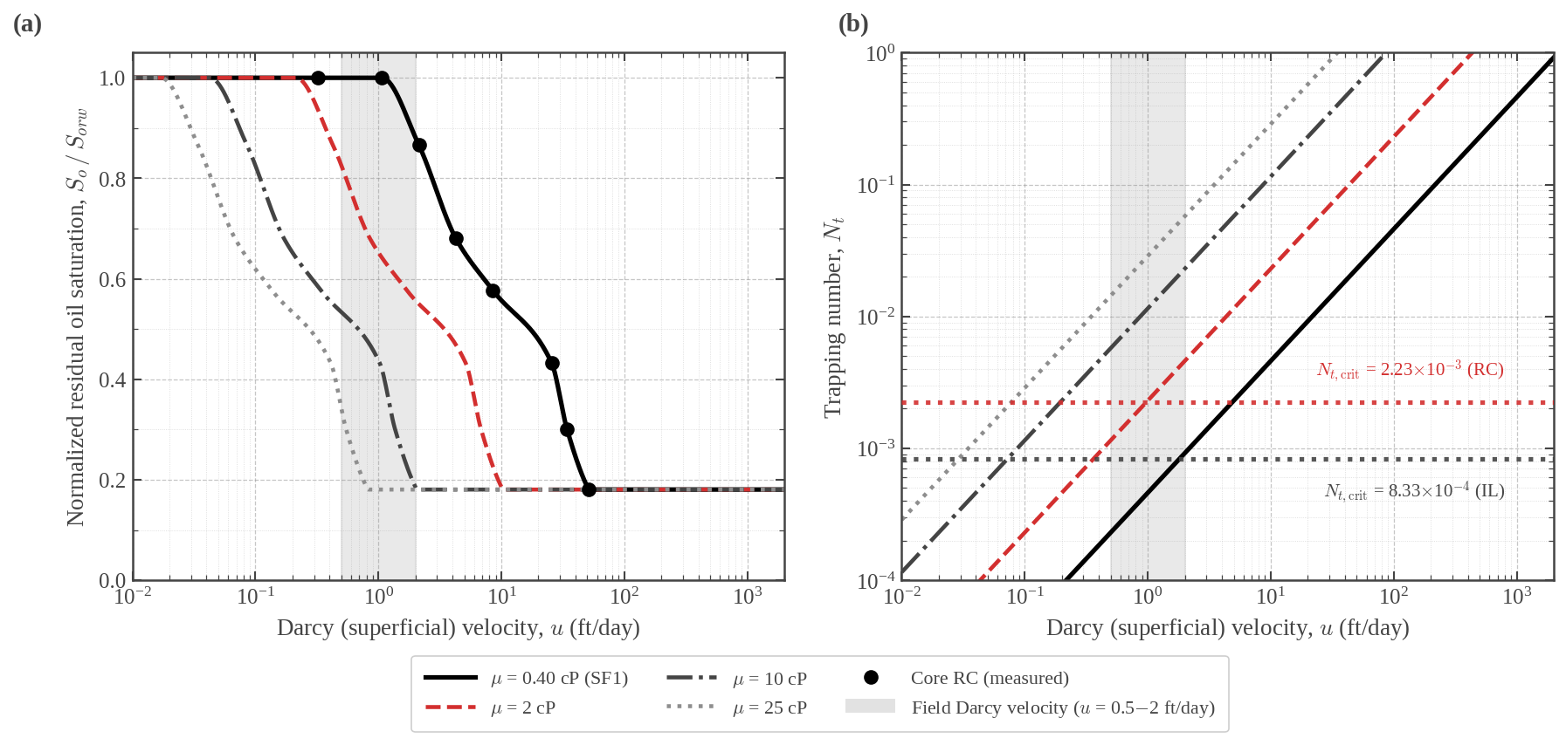
VELOCITY SENSITIVITY (FIG 5)
Viscosity scenarios shown on Fig 5
Scenario | μ | Unit | Source
μ = 0.40 cP (SF1 baseline) | 0.40 | cP | BASELINE
μ = 2 cP | 2.00 | cP | SCENARIO
μ = 10 cP | 10.00 | cP | SCENARIO
μ = 25 cP | 25.00 | cP | SCENARIO

Viscosity targets at u = 1 ft/day (Core RC)
Threshold | μ required | Unit | Source
Reach Nt,crit (mobilization onset) | 1.94 | cP | CALCULATED
Reach Nt ≈ 10⁻² (deep desaturation) | 8.70 | cP | CALCULATED

ATBS polymer concentration to reach μ (HTHS, 243 kppm TDS)
Target μ | Concentration | Unit | Source
2 cP | 1,500–2,000 | ppm | LITERATURE
10 cP | 3,500–4,000 | ppm | LITERATURE

Reference parameters
Parameter | Value | Unit | Source
Field Darcy velocity, lower | 0.5 | ft/day | REFERENCE
Field Darcy velocity, upper | 2.0 | ft/day | REFERENCE
SF1 IFT, σos at 100 °C | 3.07E-03 | mN/m | CALCULATED
Bond number, Nb (Core RC) | 6.42E-06 | — | CALCULATED
Nt,crit (Core RC) | 2.23E-03 | — | MEASURED
Nt,crit (Core IL) | 8.47E-04 | — | MEASURED

Figure 5

